Sheet1
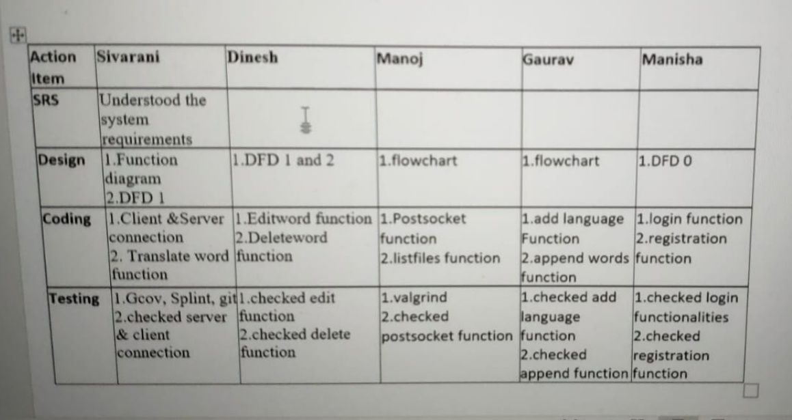
Action Item | Jahnavi K | Manohar K | Anurag M | Action | Vasavi | Shubham | Visakh | Roshan | Raja | Joseph
SRS | Functional & Non Functional Requirements , Use case Diagram | Message exchange process & Description | Introduction, Working , Future enchancements | SRS
DESIGN | Flowcharts(1 &2) | 0-Level DFD & 1-Level DFD | 2-Level DFD & 2.1 DFD | DESIGN
CODING | Authentication and solving errors | Client coding | Server coding | CODING
TESTING | Valgrind tool & Strace tool | git tool | Splint tool | TESTING

